Defect Report
Defect ID | Title | Module | Translation Mode | Severity | Priority | Status | Steps to Reproduce | Expected Result | Actual Result | Attachments | Reported By | Date | Linked TC
DEFECT-001 | Auto-detect returns incorrect language for mixed Sinhala + English input | Language Detection | Text Translation | Medium | Medium | Open | 1. Go to https://translate.google.com/ 2. Set source: Detect language, target: English 3. Type 'Hello ආයුබෝවන්' (mixed English + Sinhala) into the source box 4. Wait 2 seconds and observe detected language label | The system should detect the dominant language or indicate mixed content. It should not confidently label an incorrect single language. | Auto-detect labelled the source as 'English' only, ignoring the Sinhala portion. The resulting translation was partially incorrect, omitting the Sinhala words. |  | Sudasun Malaviarachchi | 28-Feb-26 | TC-028
DEFECT-002 | English to Sinhala document translation produces incorrect Sinhala text in downloaded PDF | File Upload | Document Translation | Low | Medium | Open | 1. Navigate to https://translate.google.com/ 2. Click the Documents tab 3. Set source language to English 4. Set target language to Sinhala 5. Upload a .pdf file containing standard English text 6. Click the Translate button 7. Wait for the translation to complete 8. Click Download and open the downloaded PDF 9. Read the Sinhala content and compare it against the original English source | The downloaded PDF should contain Sinhala text that is an accurate and meaningful translation of the original English content. Each sentence and paragraph in Sinhala should correctly convey the same meaning as the corresponding English source text. | The downloaded PDF file opens successfully, however the Sinhala text inside the document is incorrect. The translated Sinhala words do not accurately represent the meaning of the original English source text. This is a translation accuracy failure specific to the English to Sinhala language pair in Document Translation mode. Note: This issue is isolated to EN to SI document translation. The download mechanism itself works correctly. The file downloads and opens without error. The defect is purely in the accuracy of the Sinhala translation output within the document. | 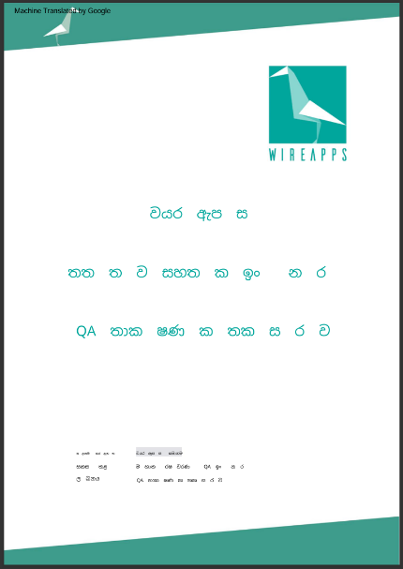 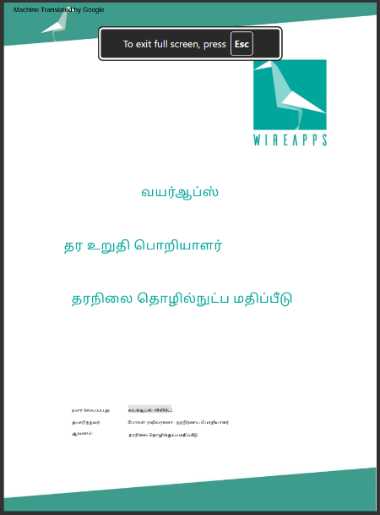 | Sudasun Malaviarachchi | 28-Feb-26 | TC-071
DEFECT-003 | English to Sinhala PDF translation produces incorrect Sinhala text when uploaded via drag and drop | Drag and Drop Upload | Document Translation | Low | Medium | Open | 1. Navigate to https://translate.google.com/ 2. Click the Documents tab 3. Set source language to English, target language to Sinhala 4. Open file explorer and locate a .pdf file with English content 5. Drag and hold the .pdf file from file explorer 6. Drop it onto the Google Translate document upload area 7. Confirm the filename appears in the upload area 8. Click the Translate button 9. Wait for translation to complete 10. Click Download and open the downloaded PDF 11. Read the Sinhala content and compare against the original English source | The drag and drop upload should behave identically to the Browse button upload. The downloaded PDF should contain accurate Sinhala text that correctly reflects the meaning of the original English source document. | The drag and drop upload works correctly. The .pdf filename is displayed in the upload area and the Translate button becomes active. The translation completes and the file downloads successfully. However, upon opening the downloaded PDF, the Sinhala translated content is incorrect, identical in nature to DEFECT-002. The Sinhala text does not accurately represent the meaning of the original English source. The drag and drop mechanism itself is functional. The defect is exclusively in the EN to SI translation accuracy of the PDF content, which reproduces regardless of whether the file was uploaded via drag and drop or the Browse button. |  | Sudasun Malaviarachchi | 28-Feb-26 | TC-084

